Health Record
HEALTH RECORD

Name |  |  | In case of emergency, contact:
Date of Birth |  | Name
Phone |  | Phone
Gender |  | Alt. Phone
Address |  | Address

Blood Type |  | Medical Plan
Height |  | Medical Plan ID
Weight |  | Pharmacy Name
BMI |  | Pharmacy Address
Last Update |  | Pharmacy Phone

Doctor Information
Doctor | Name / Specialty | Phone | Address | Notes
Primary Physician
Dentist
Specialist

Known Conditions / Allergies and Medications
Name | Description | Medication | Dosage | Notes

Vaccination & Immunization History
Date | Description | Attending Physician | Facility | Notes

Surgical Procedures
Date | Description | Attending Physician | Facility | Notes

Medical Visits
Date | Description | Tests / Procedures | Diagnosis / Treatment | Prescription

Sheet1
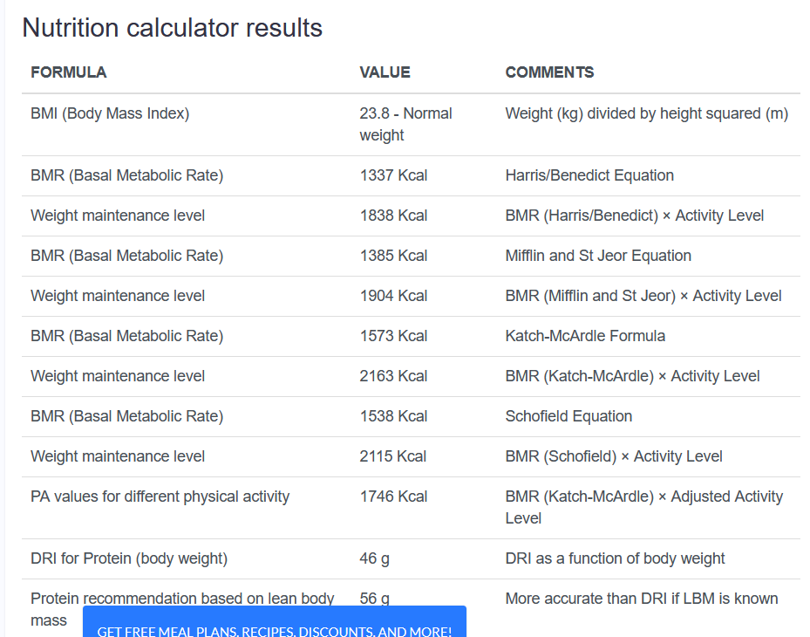
Height |  |  | Step 1: Determine BMR
Weight
 |  |  | Determine you (or your client’s) basal metabolic rate (BMR) by using the Mifflin-St Jeor equation:

 |  |  | Men: (10 × weight in kg) + (6.25 × height in cm) - (5 × age in years) + 5
 |  |  | Women: (10 × weight in kg) + (6.25 × height in cm) - (5 × age in years) - 161
 | Height/weight*weight
 |  |  | Step 2: Measure Total Daily Energy Expenditure

 | BMI | Status | Measure Total Daily Energy Expenditure (TDEE) by multiplying your BMR by the Katch-McArdle multipliers:
 | Under 18.5 | Underweight
 | 18.5 - 24.9 | Normal | Sedentary (little to no exercise + work a desk job) = 1.2
 | 25 - 29.9 | Overweight | Lightly Active (light exercise 1-3 days / week) = 1.375
 | 30 and over | Obese | Moderately Active (moderate exercise 3-5 days / week) = 1.55
 |  |  | Very Active (heavy exercise 6-7 days / week) = 1.725
 |  |  | Extremely Active (strenuous training 2x / day) = 1.9

 |  |  | Step 3: Determine Goal Weight and Desired Weight Loss Date

 |  |  | 1. Subtract goal weight from current weight
 |  |  | 2. For example: 150lbs -20lbs = 130lbs
 |  |  | 3. Take lbs of weight loss needed and divide by 2, 1.5, 1. This will give you an idea of how many weeks it would take to reach your goal weight if you lost 2lbs/week, 1.5lbs/week, or 1lb/week .

 |  |  | For example: 20/2 = 10 weeks to reach goal weight, 20/1.5 = 13 weeks to reach goal weight, or 20/1 = 20 weeks to reach goal weight.

 |  |  | Step 4: Calculate Macronutrient Ratios

 |  |  | This is the last step of calculating calories, and it's one that's absolutely essential for getting accurate weight loss results.

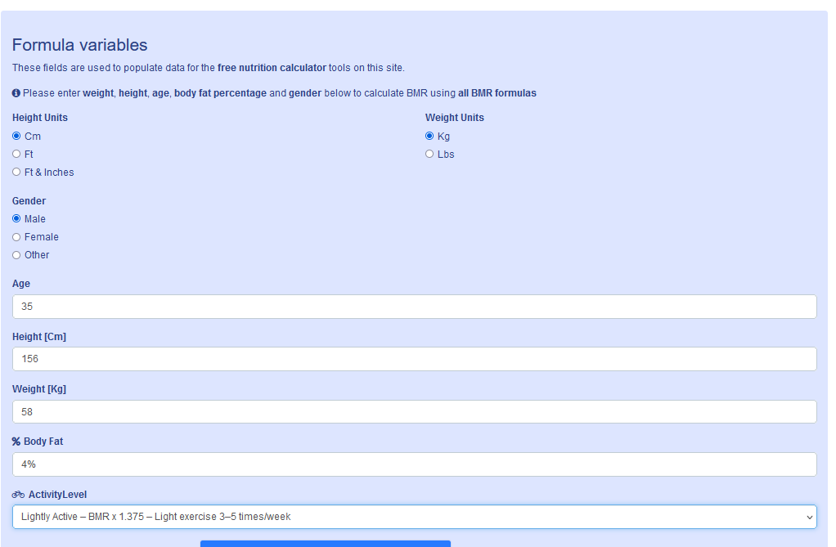
 |  |  | First: Calculate Daily Protein Needs

 |  |  | Did you know that protein is a huge catalyst for weight loss and hunger satiation? Let's compare and contrasts sedentary versus moderately active individuals and their protein requirements.

 |  |  | For sedentary/lightly active individuals: 1-1.2g/kg/day
 |  |  | For moderately active - extremely active: 1.4-2.2g/kg/day

 |  |  | Convert body weight in pounds to kg’s (round to the nearest 10th)

 |  |  | 150lbs / 2.2 = 68.2kg

 |  |  | Multiply weight in kilograms by range that best fits your activity levels.

 |  |  | 68.2kg(1g) = 68g
 |  |  | 68.2kg(1.2) = 82g

 |  |  | Second: Calculate Daily Fat Needs

 |  |  | To prevent any fatty acid deficiencies it is recommended to consume at minimum 1g/kg of fat per day. The Dietary Guidelines for Americans also recommends fat should make up 20-35% of one’s total daily calories. Using both of these references you can calculate your daily fat needs:

 |  |  | To calculate fat:

 |  |  | Convert body weight in pounds to kg’s (round to the nearest 10th)
 |  |  | 150lbs / 2.2 = 68.2kg
 |  |  | Multiply weight in kilograms by 1
 |  |  | 68g of fat needed per day

 |  |  | See this blog on How Much Fat Per Day for Weight Loss to learn more.

 |  |  | Third: Calculate Daily Carbohydrate needs

 |  |  | The Dietary Guidelines for Americans recommends that carbohydrates should make up 45-65% of one’s daily calories.

 |  |  | Step 1: Calculating grams of carbohydrates. Multiply daily calorie requirements by 0.45 & 0.65 to obtain calories from carbohydrates.

 |  |  | 0.45(2000) = 900 calories
 |  |  | 0.65(2000) = 1300 calories

 |  |  | Step 2: Divide answers in step 1 by 4 since there are 4 calories per 1 gram of carbohydrate

 |  |  | 900/4 = 225g
 |  |  | 1300/4 = 325g

 |  |  | See this blog on How Many Carbs Per Day for Weight Loss to learn more.

